Guide
SCORE SHEET for KID PROGRAM

 |  | Beside teaching, evaluating learners' performance is necessary.
 |  | For the student performance evaluation at our center, we have score sheet as a tool for our teachers to record their kids' performance
 |  | including class participation, oral or written work and exams, and other activities such as projects and presentations.
 |  | Our score sheet file contains 7 main worksheets as follows:
 |  | (1). Classes is where you can add more kids when they are officially allowed to move in and correct the kid's name in terms of speeling
 |  | (2). Midterm Daily is the score sheet for teacher to record students' daily scores in the period of midterm's time
 |  | (3). Midterm Exam is for teacher to record the scores of Midterm exam
 |  | (4). Midterm Results is a worksheet which covers both midterm daily scores and midterm exam scores
 |  | (5). Promotion Daily is the score sheet for teacher to record students' daily socres in the period of promotion's time
 |  | (6). Promotion Exam is for teacher to record the scores of Promotion exam
 |  | (7). Promotion Results is the worksheet that covers all scores from Midterm Daily to Promotion Exam.
 |  | The operation below shows how to use each worksheet along with some examples of problems frequently happen and solutions for them

 | OPERATION
 | (1). Classes
 |  | Below is a class of K1 from 8:00 to 10:00 in the morning. From the beginning, this class has 10 kids from KID 1 to KID 10.
 |  | Later on, the office allows one new kid to move in. The TEACHER adds her after KID 10 in the (1).Classes worksheet.

 | (2). Midterm Daily
 |  | Why are KID 2, KID 5, and KID 9 incomplete?
 |  | KID 2 is incomplete because the TEACHER misses his Sprouts score. You should give 0 like KID 3 if he doesn't do it.
 |  | KID 5 is incomplete because the TEACHER misses his Science and Tracing scores. If he changes time, you should mark Change like KID 6.
 |  | KID 9 is incomplete because the TEACHER misses her scores of Phonics, Math, Shape, Science, and Tracing scores. If she stops, you
 |  | should mark Stop like KID 10.
 | Û | Please use only the terms "Change" or "Stop" given to mark your students in case they change time or stop and other cases alike.
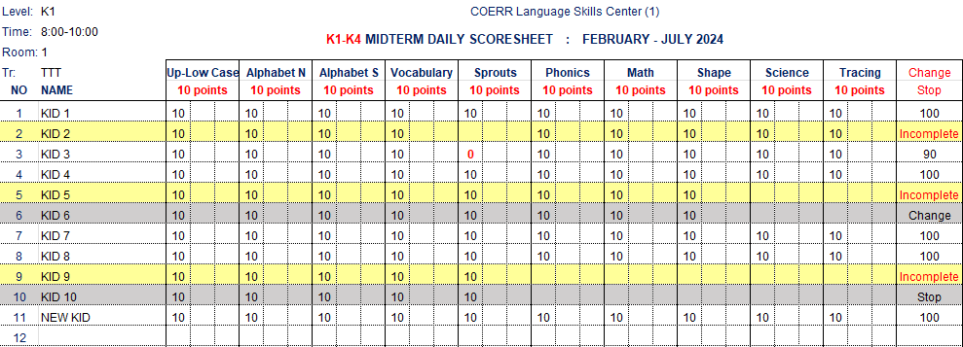

 | (3). Midterm Exam
 |  | Why are KID 3 and KID 7 incomplete?
 |  | KID 3 is incomplete because he did not take midterm exam. If he stops, you should mark Stop like KID 4.
 |  | KID 7 is incomplete because she misses two tests of midterm exam - Science and Tracing. He asks for permission and will come back to
 |  | do them later, so you should mark Late Exam like KID 8.
 | Û | Please use only the terms "Stop" or "Late Exam" given to mark your students in case they stop or will do midterm exam later.

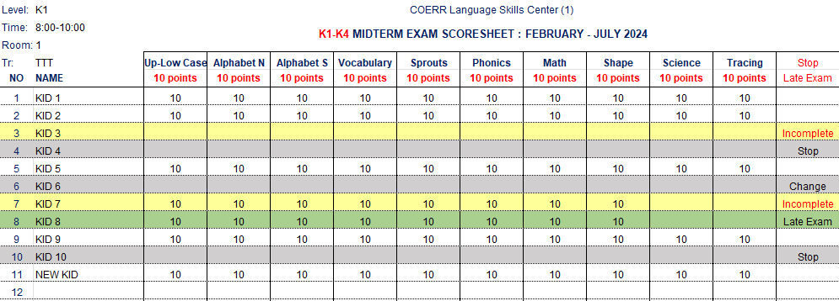

 | (4). Midterm Results
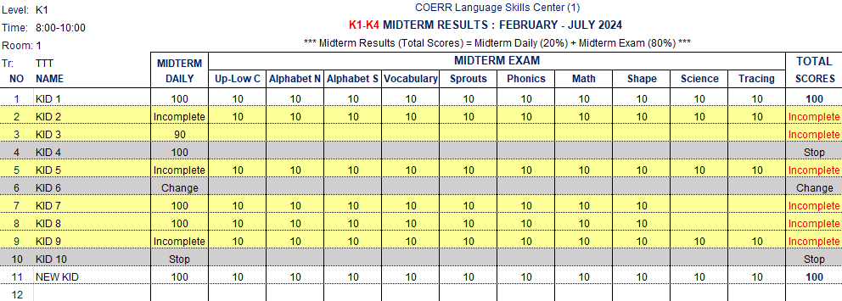

 |  | Midterm result worksheet is designed for our students to see the results of their study for around three months.
 |  | Midterm result covers both midterm daily score and midterm exam score.
 |  | We consider the total of midterm daily score as 20% and the total of midterm exam score as 80%, so the total score of midterm result is
 |  | 100%. Please have a look at the formula as follows:

 |  |  | Midterm Result | = | Midterm dialy | + | Midterm exam | = | TOTAL
 |  |  |  |  | 20% |  | 80% |  | 100%

 | (5). Promotion Daily (the same as Midterm Daily)
 | (6). Promotion Exam (the same as Promotion Exam)
 | (7). Promotion Results
 |  | Unlike midterm result, the promotion result covers all scores from midterm daily to promotion exam.
 |  | It is a fact that promotion result is the final score of the combination of midterm scores and promotion scores.
 |  | The calculation of the promotion result or final score is as follows:

 |  | Midterm daily + Midterm exam Promotion daily + Promotion exam

 |  |  | Promotion Result | = | Midterm scores | + | Promotion scores | = | Pass / Fail
 |  |  | (Final score) |  | 2
 | (In our formula stytem is that kids receiving less than 60% of the final scores fail or repeat, but this can be changed by each K committee)

Thank you so much for reading and please do not hesitate to ask for more explaination!

